Fairhaven, MA coordinates
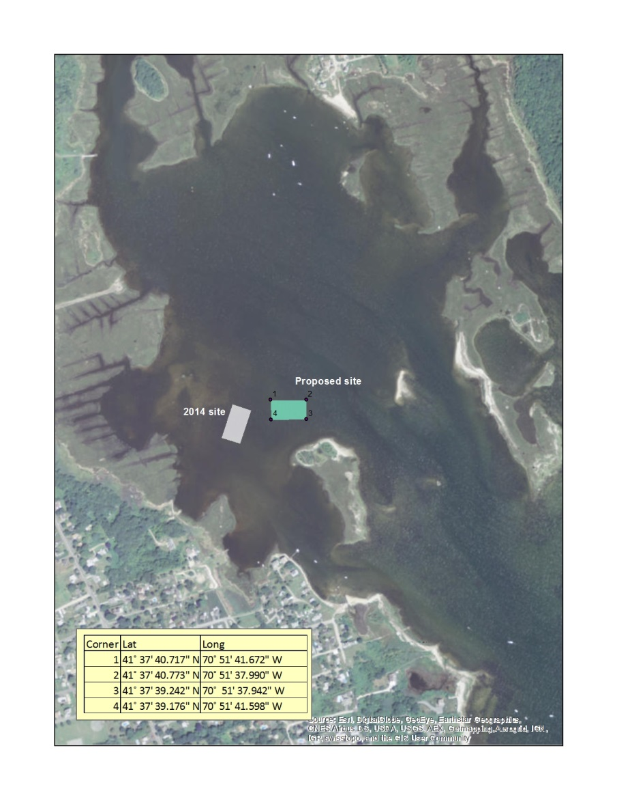
Fairhaven, MA | Corners | Lat | Long
 | 1 | 41.6279769° | 070.8615756°
 | 2 | 41.6279925° | 070.8605528°
 | 3 | 41.6275672° | 070.8605394°
 | 4 | 41.6275464° | 070.8615550°

last name/farm name
Loo - Round Hill | 41.6279769° | 070.8615756°
 | 41.6275464° | 070.8615550°
 | 41.627978 | -70.861437
 | 41.627565 | -70.861409

Sun - Taylor Cutured Seafood | 41.627978 | -70.861437
 | 41.627565 | -70.861409
 | 41.627987 | -70.861291
 | 41.627569 | -70.861261

Ward/Field - Mike Ward, Copper Beech | 41.627987 | -70.861291
 | 41.627569 | -70.861261
 | 41.627989 | -70.861133
 | 41.627571 | -70.861111

Jusseaume - Spindrift Oysters | 41.627989 | -70.861133
 | 41.627571 | -70.861111
 | 41.627995 | -70.860781
 | 41.627557 | -70.860971

Bourne, MA coordinates
Bourne, MA | Corners | Lat | Long | lat | long
 | 1 | 41.7665333° | 070.6081667° | 41 45.992 | 070 36.490
 | 2 | 41.7660167° | 070.6073667° | 41 45.961 | 070 36.442
 | 3 | 41.7656167° | 070.6075833° | 41 45.937 | 070 36.455
 | 4 | 41.7661667° | 070.6084000° | 41 45.970 | 070 36.504

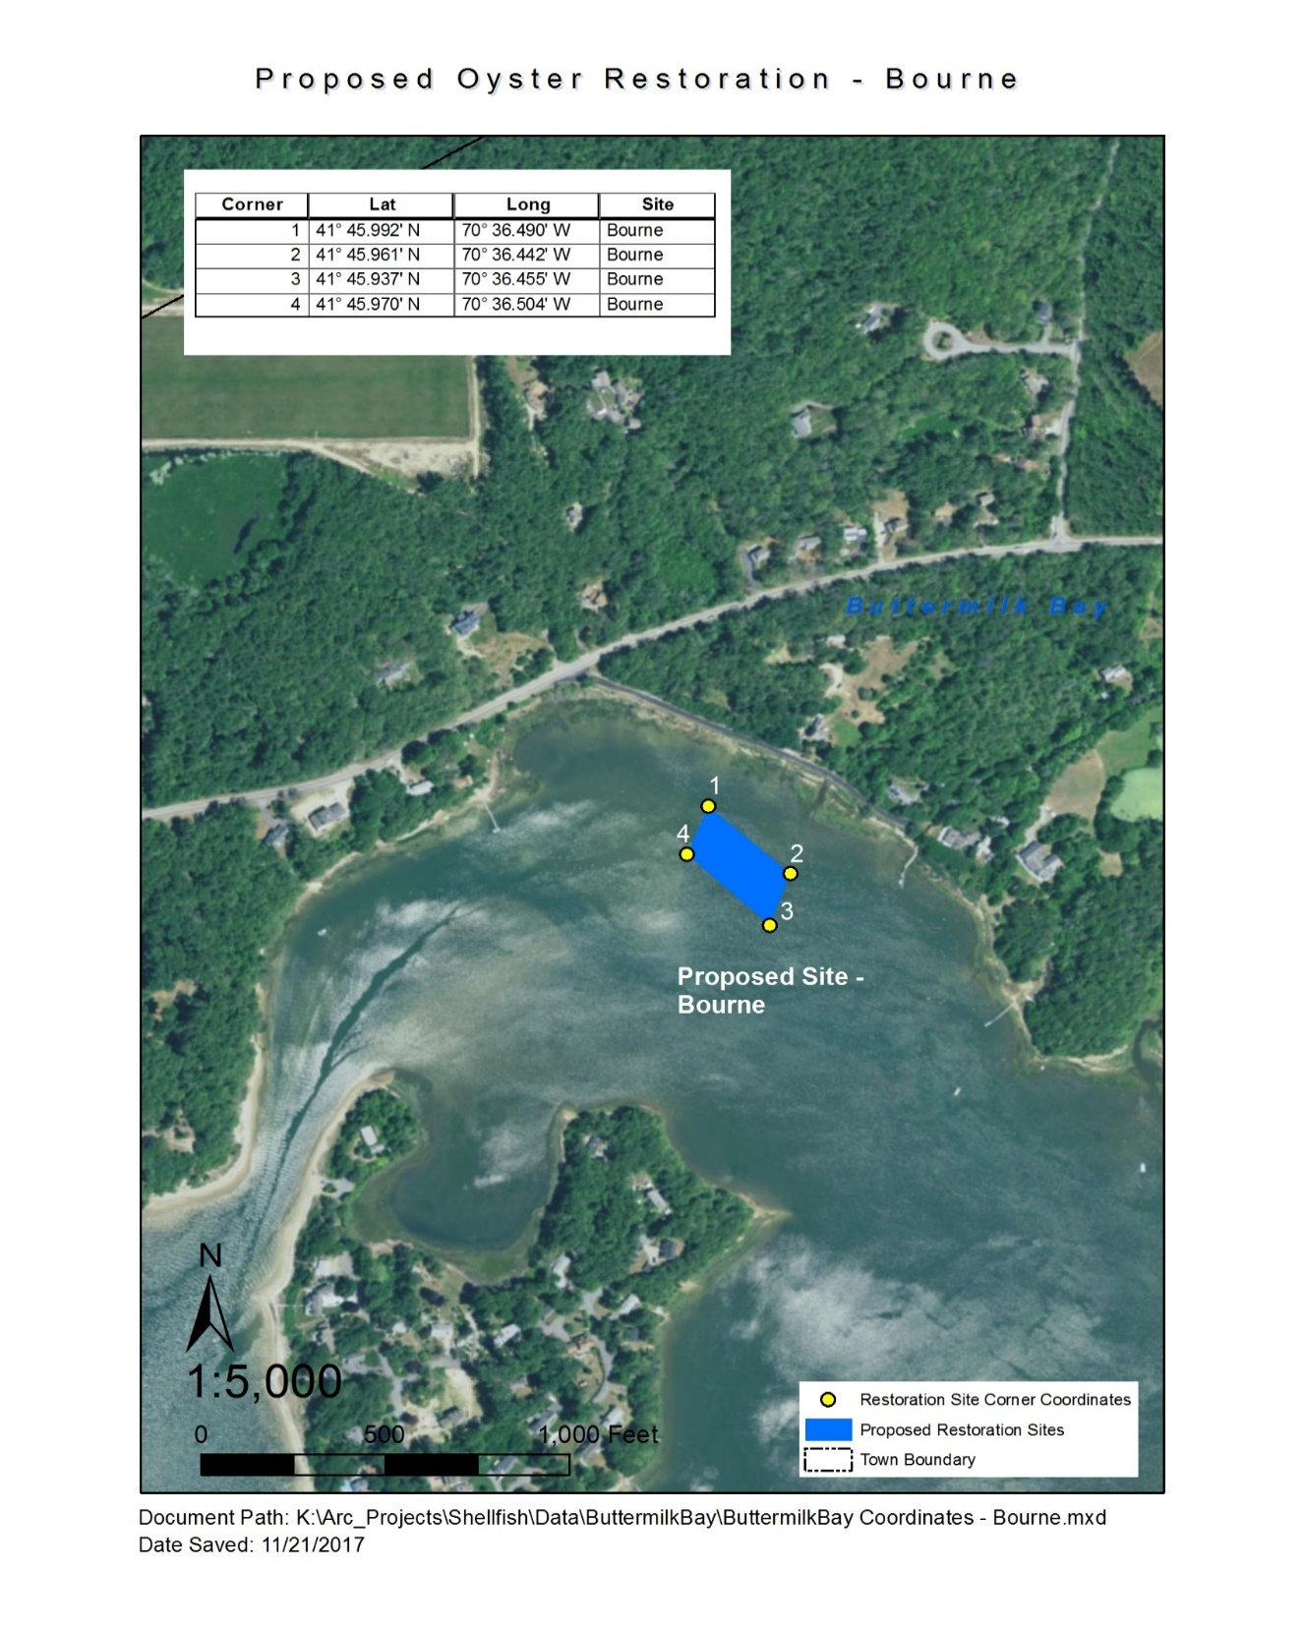

last name
Silverbrand - Buttermilk Bay | 41.7665333° | 070.6081667°
 | 41.7661667° | 070.6084000°
 | 41.766076, | 70.608262
 | 41.766448, | 70.608029

Ross/Ross - Green Acres/ Monk's Cove | 41.765753, | -70.607506
 | 41.765947, | -70.607396
 | 41.765996, | -70.607496
 | 41.765797, | -70.607618

